Standard Stock List
Item Name |  | UNITS
Green Bunting |  | 1500
Yellow Bunting |  | 2200
White Bunting |  | 2200
Purple Bunting |  | 2800
Red bunting |  | 2400
Lime Green Bunting |  | 1800
Orange Bunting |  | 3500
Pale Pink Bunting |  | 3900
Hot Pink Bunting |  | 4600
Black Bunting |  | 5900
Blue Bunting |  | 5500
Pale Blue Bunting |  | 6900
White Blue Alternate Bunting |  | 900
White Red Alternate Bunting |  | 1600
White Baby Blue Alternate Bunting |  | 2500
White Black Alternate Bunting |  | 2750
White Light Pink Alternate Bunting |  | 3300
Multi Mix Bunting |  | 1500
Blue Mix Bunting |  | 3350
Pink Mix Bunting |  | 2600
Red Mix Bunting |  | 3000
Gingham Multi Colour Mix Bunting |  | 1850
Chequered Black & White Bunting |  | 1000
Camo Bunting |  | 3200
Rainbow Pride Bunting Rectangle |  | 1700
LGBT+ Rectangle Bunting |  | TBD
25 Flags of World/7m |  | 650
Rugby 2015 25 Flags of World |  | 1100
C1001 Shabby Chic Vintage Print Bunting |  | 7000
C1002 Shabby Chic Vintage Print Bunting |  | 5000
C1003 Shabby Chic Vintage Print Bunting |  | 7000
C1004 Shabby Chic Vintage Pink Print Bunting |  | 10000
C1005 Shabby Chic Vintage Print Bunting |  | 8200
C1006 Shabby Chic Vintage Print Bunting |  | 6000
C1007 Shabby Chic Vintage Print Bunting |  | 7200
C1008 Shabby Chic Vintage Print Bunting | 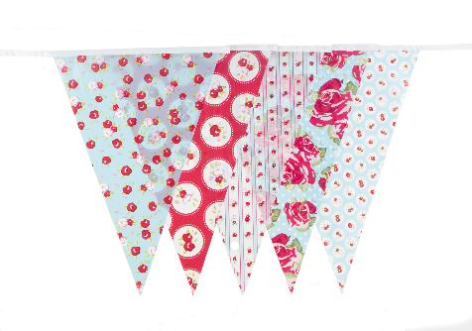 | 6000
C1009 Pink & Blue Flag Bunting |  | 5800
C1010 Pink and dot Bunting |  | 6800
C1011 Blue and dot Bunting |  | 4300
C1012 Blue and White Pattern Bunting |  | 2100
C1013 Pink & Yellow Vintage Print Bunting |  | 7650
C1014 Polka Dot Bunting |  | 4700
C1015 Polka Dot Bunting with Orange String |  | 3200
C1016 Animal Print Bunting |  | TBD
C1351 Vintage Print **10 metres & 35 Flags |  | 3800
C1356 Vintage Print Bunting 35 Flags **10 metres & 35 Flags |  | 5900
M1001 Multi Coloured Bunting |  | 2650
M1002 Multi Coloured Bunting |  | 2750
M1003 Multi Coloured Bunting * 7 metres 25 Flags |  | 5250
M1004 Multi Colour Bunting with Orange String |  | 2750
M1005 Green, Red, White Bunting |  | 5150
JA001 Punk Vintage Pattern Bunting |  | 3100
JA002 Nautical Print Bunting |  | 4700
JA003 Stars and Stripes Deconstructed |  | 2700
JA004 Blue Vintage Print Bunting |  | 7150
JA005 Pink Vintage Print Bunting |  | 5350
Australia Bunting |  | 2100
Brazil Bunting **7 metres & 25 Flags |  | 8000
France Bunting |  | 3350
Germany Bunting |  | 4200
IRELAND RECTANGLE BUNTING |  | TBD
ITALY RECTANGLE BUNTING |  | 5500
MEXICO RECTANGLE BUNTING |  | 3100
NETHERLANDS RECTANGLE BUNTING |  | 2800
SCOTLAND RECTANGLE BUNTING |  | 5000
SPAIN RECTANGLE BUNTING |  | 5000
USA Bunting US001 Rectangular |  | 7650
USA TRIANGLE USA002 |  | 2500
Plain White Flag 9x6 |  | 200
Rainbow 9ft x 6ft Flag |  | TBD
Just Married hessian bunting |  | TBD
Plain Hessian Flags withTwine String Bunting | 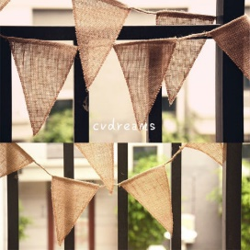 | 200
Mr Mrs and Hearts hessian bunting |  | 600
Merry Christmas 2 strings hessian bunting |  | 500
Hearts white hessian bunting |  | 650
Happy Birthday hessian bunting |  | 700
Plain with white string hessian bunting |  | 600
Hearts red hessian bunting |  | 1200
Merry Christmas w Tree hessian bunting |  | 1300
Mr & Mrs hessian bunting |  | 1100
Metallic Silver Bunting |  | 1800
Metallic Rose Gold Bunting |  | 1800
Metallic Gold Bunting |  | 1800
Metallic Alternating Bunting |  | 1900
Lace Pattern Paper Bunting |  | 500
Heart Pattern Paper Bunting |  | 650
Mr & Mrs Pattern Paper Bunting |  | 700
 |  | 16000

